Time Series
month | date | private | nonfarm | goods | service | mine_log | leasure | manufacturing | gov | retail | trans_util | ng_price_ind | ng_price_res
200901 | 2009-01-01 | 111495 | 134074 | 19889 | 114185 | 761 | 13222 | 12561 | 22579 | 14,795 | 25433 | 7.5 | 12.49
200902 | 2009-02-01 | 110756 | 133332 | 19575 | 113757 | 749 | 13193 | 12380 | 22576 | 14,719 | 25286 | 6.43 | 12.26
200903 | 2009-03-01 | 109969 | 132529 | 19227 | 113302 | 728 | 13127 | 12208 | 22560 | 14,651 | 25140 | 5.69 | 11.98
200904 | 2009-04-01 | 109158 | 131835 | 18894 | 112941 | 710 | 13056 | 12030 | 22677 | 14,563 | 24960 | 5.05 | 11.68
200905 | 2009-05-01 | 108874 | 131491 | 18655 | 112836 | 693 | 13106 | 11862 | 22617 | 14,558 | 24909 | 4.4 | 12.86
200906 | 2009-06-01 | 108450 | 131026 | 18422 | 112604 | 686 | 13076 | 11726 | 22576 | 14,541 | 24852 | 4.56 | 14.26
200907 | 2009-07-01 | 108164 | 130685 | 18278 | 112407 | 678 | 13078 | 11668 | 22521 | 14,489 | 24750 | 4.68 | 15.27
200908 | 2009-08-01 | 107964 | 130501 | 18151 | 112350 | 670 | 13046 | 11626 | 22537 | 14,481 | 24713 | 4.38 | 15.61
200909 | 2009-09-01 | 107808 | 130259 | 18043 | 112216 | 665 | 13054 | 11591 | 22451 | 14,450 | 24660 | 3.89 | 14.8
200910 | 2009-10-01 | 107537 | 130061 | 17915 | 112146 | 661 | 12995 | 11538 | 22524 | 14,382 | 24553 | 4.82 | 11.78
200911 | 2009-11-01 | 107540 | 130073 | 17869 | 112204 | 664 | 12986 | 11509 | 22533 | 14,379 | 24535 | 5.44 | 11.48
200912 | 2009-12-01 | 107322 | 129804 | 17792 | 112012 | 663 | 12944 | 11475 | 22482 | 14,335 | 24425 | 5.97 | 10.42
201001 | 2010-01-01 | 107316 | 129807 | 17707 | 112100 | 667 | 12932 | 11460 | 22491 | 14,401 | 24492 | 6.93 | 10.56
201002 | 2010-02-01 | 107239 | 129715 | 17627 | 112088 | 674 | 12927 | 11453 | 22476 | 14,397 | 24478 | 6.76 | 10.69
201003 | 2010-03-01 | 107377 | 129895 | 17672 | 112223 | 682 | 12943 | 11453 | 22518 | 14,447 | 24537 | 6.01 | 10.99
201004 | 2010-04-01 | 107563 | 130132 | 17729 | 112403 | 687 | 12979 | 11489 | 22569 | 14,427 | 24524 | 5.12 | 11.97
201005 | 2010-05-01 | 107670 | 130666 | 17742 | 112924 | 697 | 13012 | 11525 | 22996 | 14,439 | 24542 | 5.08 | 13.12
201006 | 2010-06-01 | 107790 | 130530 | 17763 | 112767 | 702 | 13034 | 11545 | 22740 | 14,442 | 24567 | 5.04 | 14.86
201007 | 2010-07-01 | 107873 | 130442 | 17777 | 112665 | 708 | 13048 | 11561 | 22569 | 14,449 | 24590 | 5.49 | 16.21
201008 | 2010-08-01 | 108017 | 130437 | 17793 | 112644 | 716 | 13081 | 11553 | 22420 | 14,454 | 24592 | 5.37 | 16.65
201009 | 2010-09-01 | 108126 | 130373 | 17787 | 112586 | 723 | 13137 | 11563 | 22247 | 14,478 | 24639 | 4.61 | 15.63
201010 | 2010-10-01 | 108345 | 130642 | 17801 | 112841 | 731 | 13127 | 11562 | 22297 | 14,511 | 24692 | 4.73 | 13.37
201011 | 2010-11-01 | 108478 | 130765 | 17827 | 112938 | 736 | 13126 | 11585 | 22287 | 14,486 | 24681 | 4.6 | 10.89
201012 | 2010-12-01 | 108573 | 130839 | 17796 | 113043 | 734 | 13157 | 11595 | 22266 | 14,474 | 24704 | 5.5 | 9.98
201101 | 2011-01-01 | 108601 | 130859 | 17784 | 113075 | 736 | 13149 | 11621 | 22258 | 14,537 | 24739 | 5.66 | 9.9
201102 | 2011-02-01 | 108857 | 131072 | 17844 | 113228 | 739 | 13188 | 11654 | 22215 | 14,558 | 24806 | 5.77 | 10.14
201103 | 2011-03-01 | 109112 | 131304 | 17906 | 113398 | 754 | 13247 | 11675 | 22192 | 14,589 | 24861 | 5.21 | 10.43
201104 | 2011-04-01 | 109441 | 131625 | 17957 | 113668 | 768 | 13298 | 11704 | 22184 | 14,646 | 24951 | 5.34 | 11.27
201105 | 2011-05-01 | 109591 | 131720 | 18007 | 113713 | 778 | 13293 | 11713 | 22129 | 14,646 | 24965 | 5.21 | 12.5
201106 | 2011-06-01 | 109791 | 131955 | 18045 | 113910 | 790 | 13343 | 11727 | 22164 | 14,682 | 25024 | 5.21 | 14.7
201107 | 2011-07-01 | 109967 | 132016 | 18094 | 113922 | 801 | 13370 | 11746 | 22049 | 14,725 | 25076 | 5.05 | 16.14
201108 | 2011-08-01 | 110121 | 132138 | 18120 | 114018 | 804 | 13395 | 11764 | 22017 | 14,719 | 25085 | 5.21 | 16.67
201109 | 2011-09-01 | 110391 | 132374 | 18167 | 114207 | 814 | 13426 | 11769 | 21983 | 14,744 | 25122 | 4.84 | 15.63
201110 | 2011-10-01 | 110580 | 132578 | 18188 | 114390 | 820 | 13464 | 11780 | 21998 | 14,750 | 25150 | 4.71 | 12.85
201111 | 2011-11-01 | 110739 | 132710 | 18187 | 114523 | 824 | 13511 | 11770 | 21971 | 14,755 | 25169 | 4.64 | 10.78
201112 | 2011-12-01 | 110960 | 132914 | 18244 | 114670 | 831 | 13538 | 11802 | 21954 | 14,747 | 25182 | 4.59 | 9.83
201201 | 2012-01-01 | 111323 | 133269 | 18304 | 114965 | 840 | 13600 | 11838 | 21946 | 14,817 | 25285 | 4.58 | 9.62
201202 | 2012-02-01 | 111584 | 133531 | 18334 | 115197 | 845 | 13641 | 11860 | 21947 | 14,795 | 25301 | 4.19 | 9.47
201203 | 2012-03-01 | 111826 | 133769 | 18372 | 115397 | 849 | 13706 | 11898 | 21943 | 14,826 | 25343 | 3.71 | 10.41
201204 | 2012-04-01 | 111921 | 133852 | 18384 | 115468 | 850 | 13709 | 11916 | 21931 | 14,838 | 25357 | 3.21 | 10.94
201205 | 2012-05-01 | 112040 | 133951 | 18386 | 115565 | 855 | 13705 | 11927 | 21911 | 14,834 | 25397 | 3.02 | 12.61
201206 | 2012-06-01 | 112093 | 134023 | 18411 | 115612 | 854 | 13702 | 11936 | 21930 | 14,818 | 25386 | 3.34 | 14.18
201207 | 2012-07-01 | 112263 | 134176 | 18447 | 115729 | 851 | 13735 | 11964 | 21913 | 14,812 | 25396 | 3.6 | 15.13
201208 | 2012-08-01 | 112430 | 134346 | 18459 | 115887 | 851 | 13804 | 11960 | 21916 | 14,817 | 25420 | 3.83 | 15.82
201209 | 2012-09-01 | 112610 | 134535 | 18461 | 116074 | 846 | 13872 | 11954 | 21925 | 14,854 | 25457 | 3.56 | 14.72
201210 | 2012-10-01 | 112790 | 134693 | 18472 | 116221 | 837 | 13883 | 11961 | 21903 | 14,869 | 25493 | 3.94 | 11.68
201211 | 2012-11-01 | 112968 | 134851 | 18477 | 116374 | 843 | 13910 | 11950 | 21883 | 14,945 | 25562 | 4.46 | 9.99
201212 | 2012-12-01 | 113201 | 135088 | 18532 | 116556 | 848 | 13978 | 11960 | 21887 | 14,914 | 25573 | 4.73 | 9.8
201301 | 2013-01-01 | 113414 | 135283 | 18580 | 116703 | 851 | 14037 | 11983 | 21869 | 14,936 | 25613 | 4.58 | 9.15
201302 | 2013-02-01 | 113681 | 135562 | 18638 | 116924 | 858 | 14082 | 11996 | 21881 | 14,951 | 25629 | 4.54 | 9.23
201303 | 2013-03-01 | 113828 | 135698 | 18660 | 117038 | 859 | 14113 | 11999 | 21870 | 14,949 | 25620 | 4.59 | 9.35
201304 | 2013-04-01 | 114021 | 135890 | 18653 | 117237 | 857 | 14152 | 12000 | 21869 | 14,968 | 25656 | 4.95 | 10.43
201305 | 2013-05-01 | 114250 | 136114 | 18691 | 117423 | 862 | 14193 | 12000 | 21864 | 15,002 | 25692 | 5 | 12.61
201306 | 2013-06-01 | 114455 | 136295 | 18724 | 117571 | 865 | 14252 | 12004 | 21840 | 15,049 | 25753 | 4.9 | 15.02
201307 | 2013-07-01 | 114585 | 136400 | 18705 | 117695 | 862 | 14288 | 11984 | 21815 | 15,090 | 25783 | 4.47 | 16.3
201308 | 2013-08-01 | 114811 | 136642 | 18756 | 117886 | 864 | 14327 | 12014 | 21831 | 15,130 | 25845 | 4.31 | 16.43
201309 | 2013-09-01 | 114996 | 136831 | 18810 | 118021 | 868 | 14339 | 12032 | 21835 | 15,163 | 25918 | 4.36 | 15.69
201310 | 2013-10-01 | 115226 | 137056 | 18857 | 118199 | 870 | 14395 | 12056 | 21830 | 15,196 | 25946 | 4.36 | 12.38
201311 | 2013-11-01 | 115480 | 137323 | 18911 | 118412 | 869 | 14432 | 12079 | 21843 | 15,212 | 25993 | 4.62 | 10.04
201312 | 2013-12-01 | 115570 | 137390 | 18881 | 118509 | 866 | 14454 | 12083 | 21820 | 15,288 | 26084 | 4.97 | 9.14
201401 | 2014-01-01 | 115753 | 137567 | 18937 | 118630 | 871 | 14489 | 12081 | 21814 | 15,263 | 26095 | 5.69 | 9.26
201402 | 2014-02-01 | 115910 | 137735 | 18988 | 118747 | 875 | 14509 | 12106 | 21825 | 15,244 | 26077 | 6.63 | 9.77
201403 | 2014-03-01 | 116152 | 137985 | 19037 | 118948 | 879 | 14564 | 12120 | 21833 | 15,248 | 26103 | 6.47 | 10.7
201404 | 2014-04-01 | 116459 | 138312 | 19104 | 119208 | 886 | 14614 | 12134 | 21853 | 15,303 | 26187 | 5.85 | 11.76
201405 | 2014-05-01 | 116701 | 138533 | 19142 | 119391 | 887 | 14670 | 12146 | 21832 | 15,323 | 26243 | 5.74 | 13.6
201406 | 2014-06-01 | 116962 | 138857 | 19195 | 119662 | 892 | 14693 | 12170 | 21895 | 15,352 | 26304 | 5.46 | 16.13
201407 | 2014-07-01 | 117183 | 139084 | 19264 | 119820 | 897 | 14703 | 12189 | 21901 | 15,375 | 26353 | 5.43 | 17.23
201408 | 2014-08-01 | 117417 | 139272 | 19316 | 119956 | 898 | 14725 | 12208 | 21855 | 15,386 | 26378 | 4.96 | 17.41
201409 | 2014-09-01 | 117686 | 139583 | 19371 | 120212 | 903 | 14768 | 12226 | 21897 | 15,419 | 26431 | 5.02 | 16.27
201410 | 2014-10-01 | 117924 | 139841 | 19419 | 120422 | 901 | 14811 | 12259 | 21917 | 15,470 | 26508 | 5.03 | 13.11
201411 | 2014-11-01 | 118195 | 140127 | 19456 | 120671 | 900 | 14849 | 12284 | 21932 | 15,503 | 26566 | 5.02 | 10.19
201412 | 2014-12-01 | 118449 | 140396 | 19481 | 120915 | 896 | 14892 | 12292 | 21947 | 15,511 | 26612 | 5.62 | 10.01
201501 | 2015-01-01 | 118650 | 140609 | 19512 | 121097 | 887 | 14917 | 12295 | 21959 | 15,514 | 26642 | 4.9 | 9.5
201502 | 2015-02-01 | 118877 | 140857 | 19529 | 121328 | 875 | 14979 | 12303 | 21980 | 15,534 | 26675 | 4.74 | 9.08
201503 | 2015-03-01 | 118964 | 140934 | 19503 | 121431 | 859 | 14992 | 12311 | 21970 | 15,545 | 26701 | 4.46 | 9.28
201504 | 2015-04-01 | 119226 | 141234 | 19550 | 121684 | 843 | 15031 | 12317 | 22008 | 15,573 | 26736 | 3.96 | 10.43
201505 | 2015-05-01 | 119540 | 141553 | 19582 | 121971 | 820 | 15105 | 12334 | 22013 | 15,597 | 26789 | 3.58 | 12.73
201506 | 2015-06-01 | 119712 | 141723 | 19601 | 122122 | 817 | 15114 | 12338 | 22011 | 15,616 | 26830 | 3.76 | 15.07
201507 | 2015-07-01 | 119964 | 142016 | 19632 | 122384 | 806 | 15158 | 12357 | 22052 | 15,639 | 26878 | 3.74 | 16.28
201508 | 2015-08-01 | 120077 | 142138 | 19623 | 122515 | 794 | 15196 | 12343 | 22061 | 15,635 | 26884 | 3.79 | 16.88
201509 | 2015-09-01 | 120229 | 142271 | 19633 | 122638 | 778 | 15263 | 12350 | 22042 | 15,635 | 26880 | 3.65 | 16.4
201510 | 2015-10-01 | 120554 | 142610 | 19681 | 122929 | 771 | 15316 | 12361 | 22056 | 15,686 | 26927 | 3.54 | 12.6
201511 | 2015-11-01 | 120768 | 142845 | 19710 | 123135 | 756 | 15370 | 12357 | 22077 | 15,703 | 26973 | 3.28 | 10.02
201512 | 2015-12-01 | 121023 | 143125 | 19740 | 123385 | 746 | 15406 | 12362 | 22102 | 15,696 | 26994 | 3.48 | 9.27
201601 | 2016-01-01 | 121096 | 143215 | 19745 | 123470 | 731 | 15441 | 12384 | 22119 | 15,722 | 27007 | 3.62 | 8.28
201602 | 2016-02-01 | 121302 | 143447 | 19720 | 123727 | 711 | 15503 | 12369 | 22145 | 15,774 | 27057 | 3.58 | 8.36
201603 | 2016-03-01 | 121498 | 143681 | 19712 | 123969 | 691 | 15549 | 12344 | 22183 | 15,809 | 27107 | 3.02 | 9.19
201604 | 2016-04-01 | 121703 | 143892 | 19728 | 124164 | 678 | 15576 | 12351 | 22189 | 15,819 | 27144 | 3 | 9.65
201605 | 2016-05-01 | 121711 | 143907 | 19690 | 124217 | 666 | 15588 | 12333 | 22196 | 15,813 | 27149 | 2.9 | 11.62
201606 | 2016-06-01 | 121986 | 144189 | 19711 | 124478 | 657 | 15638 | 12353 | 22203 | 15,837 | 27174 | 2.89 | 14.43
201607 | 2016-07-01 | 122227 | 144525 | 19755 | 124770 | 652 | 15673 | 12370 | 22298 | 15,852 | 27214 | 3.57 | 16.56
201608 | 2016-08-01 | 122389 | 144660 | 19729 | 124931 | 648 | 15715 | 12347 | 22271 | 15,870 | 27261 | 3.59 | 17.6
201609 | 2016-09-01 | 122634 | 144930 | 19759 | 125171 | 647 | 15747 | 12344 | 22296 | 15,884 | 27284 | 3.74 | 16.78
201610 | 2016-10-01 | 122764 | 145058 | 19780 | 125278 | 644 | 15767 | 12341 | 22294 | 15,889 | 27302 | 3.87 | 13.74
201611 | 2016-11-01 | 122948 | 145228 | 19806 | 125422 | 648 | 15825 | 12341 | 22280 | 15,871 | 27314 | 3.86 | 10.77
201612 | 2016-12-01 | 123139 | 145443 | 19827 | 125616 | 647 | 15844 | 12355 | 22304 | 15,895 | 27359 | 4.27 | 9.06
201701 | 2017-01-01 | 123385 | 145695 | 19874 | 125821 | 649 | 15884 | 12368 | 22310 | 15,941 | 27404 | 4.87 | 9.32
201702 | 2017-02-01 | 123516 | 145836 | 19931 | 125905 | 655 | 15920 | 12386 | 22320 | 15,888 | 27371 | 4.56 | 10.01
201703 | 2017-03-01 | 123634 | 145963 | 19959 | 126004 | 660 | 15939 | 12395 | 22329 | 15,862 | 27353 | 3.94 | 9.86
201704 | 2017-04-01 | 123844 | 146176 | 19993 | 126183 | 669 | 16010 | 12403 | 22332 | 15,849 | 27360 | 4.13 | 11.34
201705 | 2017-05-01 | 123971 | 146304 | 20008 | 126296 | 674 | 16029 | 12405 | 22333 | 15,822 | 27353 | 4.03 | 13.26
201706 | 2017-06-01 | 124177 | 146533 | 20054 | 126479 | 678 | 16061 | 12420 | 22356 | 15,821 | 27374 | 4.06 | 16.06
201707 | 2017-07-01 | 124369 | 146737 | 20054 | 126683 | 679 | 16118 | 12417 | 22368 | 15,814 | 27376 | 3.93 | 17.86
201708 | 2017-08-01 | 124563 | 146924 | 20132 | 126792 | 685 | 16123 | 12459 | 22361 | 15,811 | 27385 | 3.79 | 18.22
201709 | 2017-09-01 | 124579 | 146942 | 20158 | 126784 | 687 | 16043 | 12467 | 22363 | 15,811 | 27422 | 3.84 | 16.92
201710 | 2017-10-01 | 124828 | 147202 | 20200 | 127002 | 687 | 16145 | 12487 | 22374 | 15,813 | 27448 | 3.79 | 13.36
201711 | 2017-11-01 | 125040 | 147422 | 20269 | 127153 | 692 | 16163 | 12517 | 22382 | 15,828 | 27482 | 3.85 | 10.15
201712 | 2017-12-01 | 125207 | 147596 | 20330 | 127266 | 692 | 16195 | 12545 | 22389 | 15,807 | 27484 | 4.21 | 9.29
201801 | 2018-01-01 | 125393 | 147767 | 20386 | 127381 | 699 | 16208 | 12561 | 22374 | 15,809 | 27502 | 4.48 | 8.91
201802 | 2018-02-01 | 125697 | 148097 | 20497 | 127600 | 706 | 16233 | 12592 | 22400 | 15,833 | 27560 | 4.86 | 9.64
201803 | 2018-03-01 | 125870 | 148279 | 20527 | 127752 | 714 | 16244 | 12612 | 22409 | 15,834 | 27591 | 4.02 | 9.78
201804 | 2018-04-01 | 126054 | 148475 | 20587 | 127888 | 723 | 16262 | 12634 | 22421 | 15,838 | 27589 | 3.9 | 10.04
201805 | 2018-05-01 | 126318 | 148745 | 20650 | 128095 | 728 | 16300 | 12655 | 22427 | 15,856 | 27630 | 3.81 | 13.64
201806 | 2018-06-01 | 126554 | 149007 | 20706 | 128301 | 735 | 16343 | 12687 | 22453 | 15,822 | 27622 | 3.78 | 16.51
201807 | 2018-07-01 | 126727 | 149185 | 20744 | 128441 | 734 | 16378 | 12707 | 22458 | 15,824 | 27643 | 3.76 | 17.92
201808 | 2018-08-01 | 126973 | 149467 | 20794 | 128673 | 742 | 16395 | 12715 | 22494 | 15,830 | 27693 | 3.67 | 18.63
201809 | 2018-09-01 | 127081 | 149575 | 20832 | 128743 | 745 | 16371 | 12733 | 22494 | 15,804 | 27692 | 3.75 | 17.31
201810 | 2018-10-01 | 127366 | 149852 | 20892 | 128960 | 751 | 16450 | 12762 | 22486 | 15,794 | 27715 | 4.04 | 12.26
201811 | 2018-11-01 | 127566 | 150048 | 20921 | 129127 | 748 | 16489 | 12789 | 22482 | 15,827 | 27783 | 4.51 | 9.43
201812 | 2018-12-01 | 127772 | 150270 | 20974 | 129296 | 753 | 16544 | 12809 | 22498 | 15,815 | 27776 | 5.46 | 9.63

Employment Source
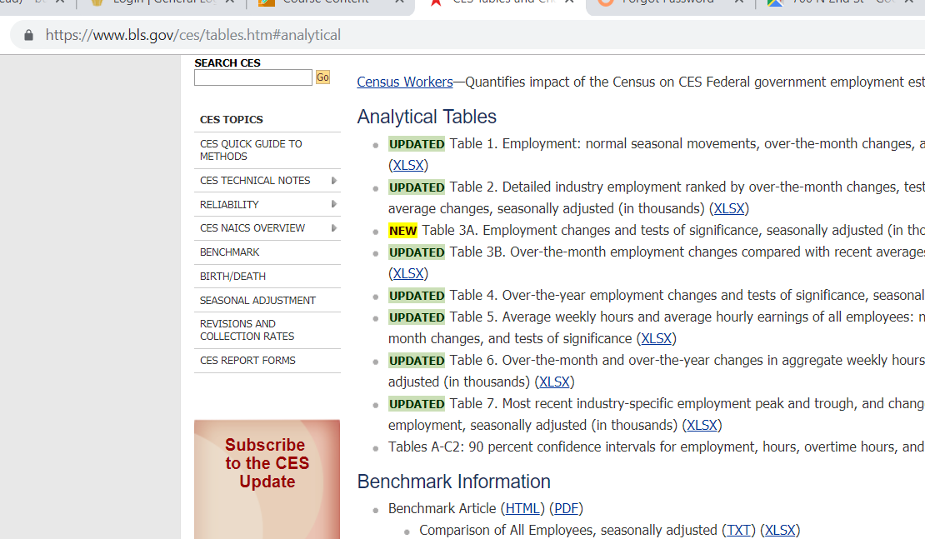
Data Pulled May 3rd, 2019

Gas Source
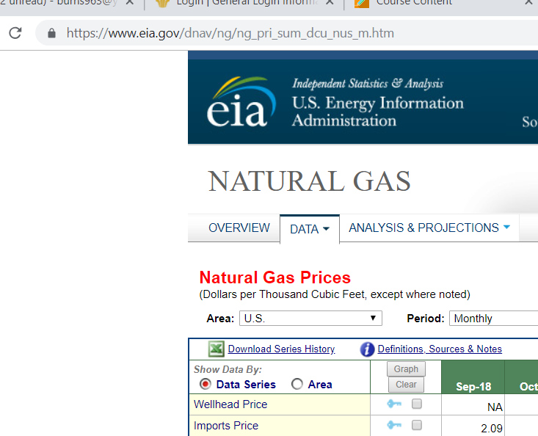
Data Pulled May 3rd, 2019

